Main page
Mirasys NET Pricelist
Video Management System & Hardware

Partner Pricelist – effective from October 01st 2025

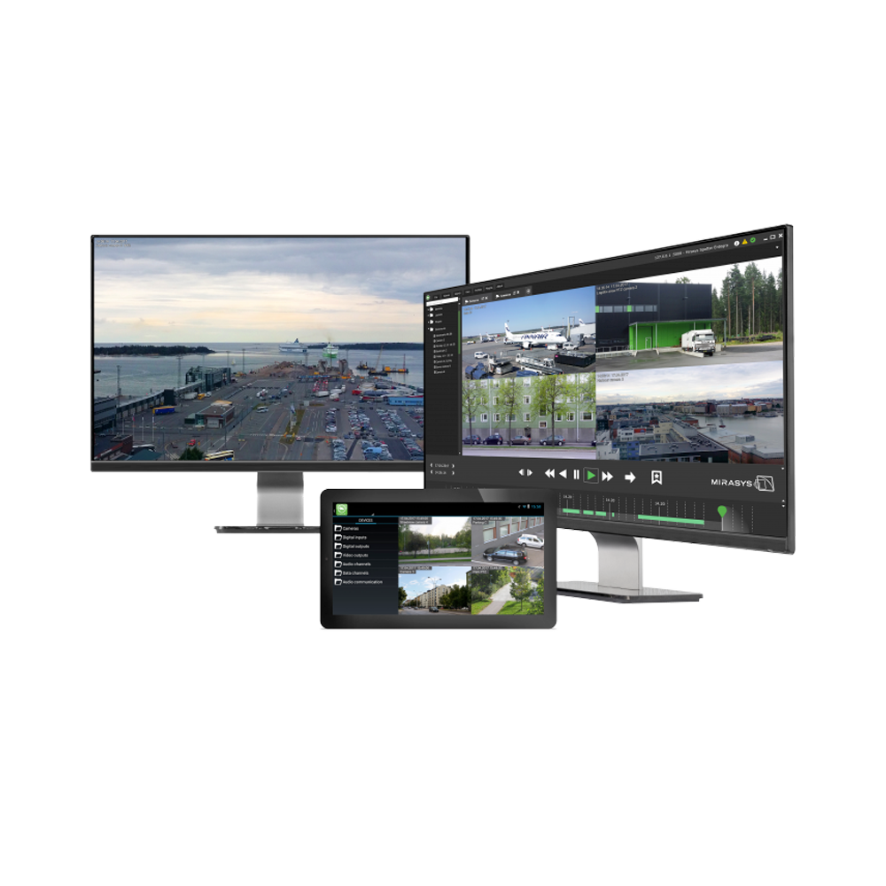

CONFIDENTIAL

The contents of this document are considered confidential and should not be posted
on a public access website, made available for general public distribution, or otherwise shared with others without prior written authorization from Mirasys Corporation.

© 2020 Mirasys Ltd. ALL RIGHTS RESERVED.

